Sheet1
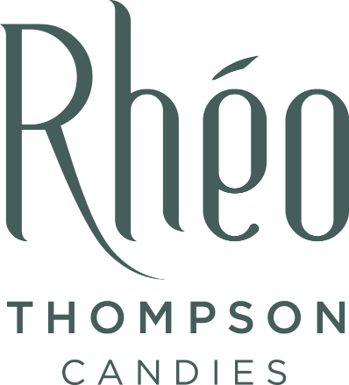 | 2024 RHEO THOMPSON CANDIES EASTER FUNDRAISING SALES FORM
 | FUNDRAISING GROUP: |  | Tavistock Skating Club
 | PARTICIPANT NAME:

 | For a full product description and picture, please refer to the Fundraising Catalogue | EASTER CHARACTERS |  |  |  |  |  |  |  |  | BOX | BARS |  | TOTAL
 |  | #1 Lily Bunny | #2 Bunny Sucker | #3A Milk Funny Bunny | #3B White Funny Bunny | #4 Hot Rod Bunny | #5A Milk Harriet | #5B Dairy-free Harriet | #6 Marc Bunny | #7 Thumpber | #5 1/2 lb Mint Smoothies® | #6A Milk Mint Smoothie® Bar | #6B Dark Mint Smoothie® Bar | Cost of order

SUPPORTER NAME | PHONE NUMBER | $5.25 | $3.50 | $5.25 | $5.25 | $12.50 | $8.25 | $12.00 | $18.25 | $13.50 | $17.00 | $2.25 | $2.25 | $
 |  |  |  |  |  |  |  |  |  |  |  |  |  | 0.00
 |  |  |  |  |  |  |  |  |  |  |  |  |  | 0.00
 |  |  |  |  |  |  |  |  |  |  |  |  |  | 0.00
 |  |  |  |  |  |  |  |  |  |  |  |  |  | 0.00
 |  |  |  |  |  |  |  |  |  |  |  |  |  | 0.00
 |  |  |  |  |  |  |  |  |  |  |  |  |  | 0.00
 |  |  |  |  |  |  |  |  |  |  |  |  |  | 0.00
 |  |  |  |  |  |  |  |  |  |  |  |  |  | 0.00
 |  |  |  |  |  |  |  |  |  |  |  |  |  | 0.00
 |  |  |  |  |  |  |  |  |  |  |  |  |  | 0.00
TOTAL NUMBER OF ITEMS ORDERED: |  | 0 | 0 | 0 | 0 | 0 | 0 | 0 | 0 | 0 | 0 | 0 | 0 | $-
Please submit your total sales by: |  | Sunday, February 25th 5pm
Rhéo Thompson Candies Ltd. 55 Albert Street, Stratford, ON N5A 3K2. For more information visit www.rheothompson.com/fundraising.

